IDEA TEMPLATE
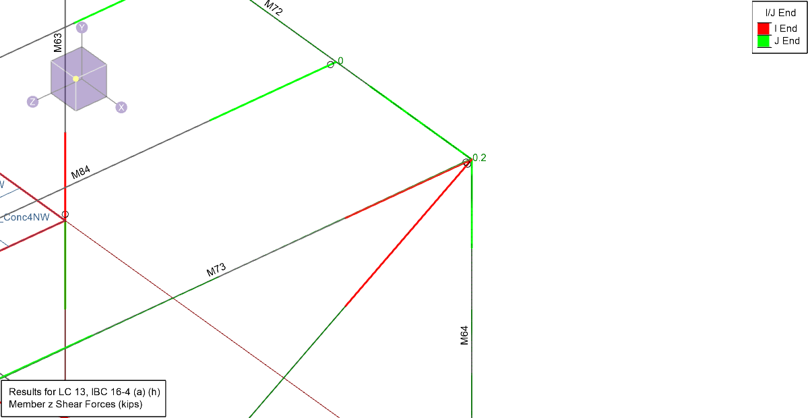
Load | Beam | Position | Unique name | N[kip] | Vy[kip] | Vz[kip] | Mx[kip.ft] | My[kip.ft] | Mz[kip.ft]
1 | M64 | J | 1M64J | 6.513 | 0 | 0.237 | 0 | -2.842 | 0
1 | M73 | I | 1M73I | 0 | 0 | 3.05 | 0 | 0 | 0
1 | M72 | J | 1M72J | 0 | 0 | -2.688 | 0 | 2.855 | 0
1 | M349 | I | 1M349I | -1.24 | 0 | 0.105 | 0.016 | 0 | 0
2 | M64 | J | 2M64J | 6.422 | 0 | 0.356 | 0 | -4.274 | 0
2 | M73 | I | 2M73I | 0 | 0 | 2.884 | 0 | 0 | 0
2 | M72 | J | 2M72J | 0 | 0 | -2.811 | 0 | 4.225 | 0
2 | M349 | I | 2M349I | -1.176 | 0 | 0.09 | -0.059 | 0 | 0
3 | M64 | J | 3M64J | 8.16 | 0 | 0.505 | 0 | -6.056 | 0
3 | M73 | I | 3M73I | 0 | 0 | 3.478 | 0 | 0 | 0
3 | M72 | J | 3M72J | 0 | 0 | -3.702 | 0 | 6.058 | 0
3 | M349 | I | 3M349I | -1.633 | 0 | 0.09 | 0.003 | 0 | 0
4 | M64 | J | 4M64J | 9.523 | 0 | 2.358 | 0 | -28.301 | 0
4 | M73 | I | 4M73I | 0 | 0.125 | 3.478 | 0 | 0 | 0
4 | M72 | J | 4M72J | 0 | 0 | -6.096 | 0 | 28.255 | 0
4 | M349 | I | 4M349I | 0.225 | 0 | 0.09 | -0.055 | 0 | 0
5 | M64 | J | 5M64J | 9.784 | 0 | 0.363 | -0.002 | -4.359 | 0.001
5 | M73 | I | 5M73I | 0 | 0 | 3.478 | 0 | 0 | 0
5 | M72 | J | 5M72J | 0 | 0 | -3.522 | 0.001 | 4.383 | 0 | 3.5
5 | M349 | I | 5M349I | -4.885 | 0 | 0.09 | 0.03 | 0 | 0
6 | M64 | J | 6M64J | 6.788 | 0 | -1.363 | -0.001 | 16.361 | 0
6 | M73 | I | 6M73I | 0 | -0.125 | 3.478 | 0 | 0 | 0
6 | M72 | J | 6M72J | 0 | 0 | -1.293 | 0 | -16.271 | 0
6 | M349 | I | 6M349I | -3.503 | 0 | 0.09 | 0.108 | 0 | 0
7 | M64 | J | 7M64J | 5.909 | 0 | -0.797 | 0 | 9.567 | 0
7 | M73 | I | 7M73I | 0 | -0.094 | 3.478 | 0 | 0 | 0
7 | M72 | J | 7M72J | 0 | 0 | -2.022 | 0 | -9.497 | 0
7 | M349 | I | 7M349I | -0.601 | 0 | 0.09 | 0.085 | 0 | 0
8 | M64 | J | 8M64J | 8.351 | 0 | -0.999 | -0.002 | 11.986 | 0.001
8 | M73 | I | 8M73I | 0 | -0.094 | 3.478 | 0 | 0 | 0
8 | M72 | J | 8M72J | 0 | 0 | -1.764 | 0.001 | -11.912 | 0
8 | M349 | I | 8M349I | -5.47 | 0 | 0.09 | 0.09 | 0 | 0
9 | M64 | J | 9M64J | 7.525 | 0 | -0.164 | 0 | 1.964 | 0
9 | M73 | I | 9M73I | 0 | 0 | 3.478 | 0 | 0 | 0
9 | M72 | J | 9M72J | 0 | 0 | -2.842 | 0 | -1.918 | 0
9 | M349 | I | 9M349I | -2.038 | 0 | 0.09 | 0.056 | 0 | 0
10 | M64 | J | 10M64J | 9.036 | 0 | 3.942 | 0.001 | -47.303 | 0
10 | M73 | I | 10M73I | 0 | 0.25 | 2.884 | 0 | 0 | 0
10 | M72 | J | 10M72J | 0 | 0 | -7.443 | 0 | 47.166 | 0
10 | M349 | I | 10M349I | 2.463 | 0 | 0.09 | -0.165 | 0 | 0
11 | M64 | J | 11M64J | 9.656 | 0 | 0.075 | -0.004 | -0.897 | 0.001
11 | M73 | I | 11M73I | 0 | 0 | 2.884 | 0 | 0 | 0
11 | M72 | J | 11M72J | 0 | 0 | -2.455 | 0.001 | 0.896 | 0
11 | M349 | I | 11M349I | -7.648 | 0 | 0.09 | -0.001 | 0 | 0
12 | M64 | J | 12M64J | 10.815 | 0 | 2.841 | -0.002 | -34.093 | 0.001
12 | M73 | I | 12M73I | 0 | 0.187 | 2.884 | 0 | 0 | 0
12 | M72 | J | 12M72J | 0 | 0 | -6.024 | 0.001 | 33.993 | 0
12 | M349 | I | 12M349I | -3.303 | 0 | 0.09 | -0.121 | 0 | 0
13 | M64 | J | 13M64J | 5.942 | 0 | 3.242 | 0.003 | -38.907 | -0.001
13 | M73 | I | 13M73I | 0 | 0.187 | 2.884 | 0 | 0 | 0
13 | M72 | J | 13M72J | 0 | 0 | -6.538 | -0.001 | 38.798 | 0
13 | M349 | I | 13M349I | 6.408 | 0 | 0.09 | -0.131 | 0 | 0
14 | M64 | J | 14M64J | 3.79 | 0 | -3.262 | -0.001 | 39.144 | 0
14 | M73 | I | 14M73I | 0 | -0.25 | 2.884 | 0 | 0 | 0
14 | M72 | J | 14M72J | 0 | 0 | 1.853 | 0 | -39.02 | 0
14 | M349 | I | 14M349I | -4.841 | 0 | 0.09 | 0.15 | 0 | 0
15 | M64 | J | 15M64J | 3.165 | 0 | 0.607 | 0.003 | -7.288 | -0.001
15 | M73 | I | 15M73I | 0 | 0 | 2.884 | 0 | 0 | 0
15 | M72 | J | 15M72J | 0 | 0 | -3.137 | -0.001 | 7.276 | 0
15 | M349 | I | 15M349I | 5.283 | 0 | 0.09 | -0.014 | 0 | 0
16 | M64 | J | 16M64J | 2.013 | 0 | -2.161 | 0.001 | 25.938 | 0
16 | M73 | I | 16M73I | 0 | -0.187 | 2.884 | 0 | 0 | 0
16 | M72 | J | 16M72J | 0 | 0 | 0.435 | 0 | -25.851 | 0
16 | M349 | I | 16M349I | 0.92 | 0 | 0.09 | 0.106 | 0 | 0
17 | M64 | J | 17M64J | 6.876 | 0 | -2.56 | -0.004 | 30.723 | 0.001
17 | M73 | I | 17M73I | 0 | -0.187 | 2.884 | 0 | 0 | 0
17 | M72 | J | 17M72J | 0 | 0 | 0.946 | 0.001 | -30.627 | 0
17 | M349 | I | 17M349I | -8.769 | 0 | 0.09 | 0.115 | 0 | 0

