Eg Notes Pics
Sanitary Design Checklist Notes/Pictures
Date: February 9, 2010

Drip tray for bearing.
1
2
1 | Recommendation for bearing mounts versus flush mount depicted in #3 | 2 | Auger / Mixer Shaft seal and bearing support 1. Thread adjacent to product zone will be difficult to clean. Recommend a solid / smooth stand-off. 2. Bushing is not removable without tools. Creates a sleeved assembly that is not readily accessible. Will require a periodic tear down and cleaning procedure or a design change.
 | 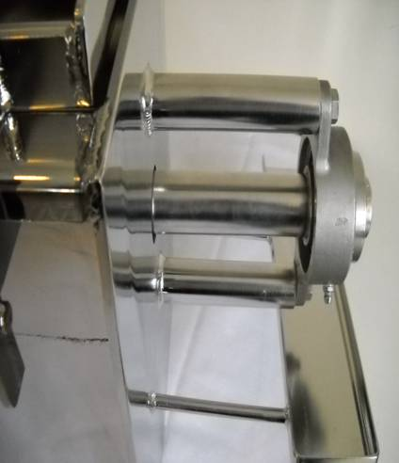 |  | 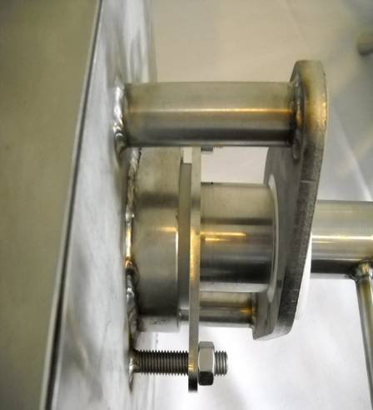
3 | Bearing Auger / Mixer Shaft Non-Drive Side: 1. Flush mounted bearing. Limited access to back side of bearing to clean old grease. Lap joint = opportunity for harborage. 2. Painted carbon steel bearing block will not hold up to wash down environment. Compatible material deficiency. 3. Over time oxidation could contaminate the stainless steel and impact product contact surfaces directly. | 4 | Interior of Auger / Mixer: 1. Welds are not free of pits. Inconsistent bead width creates a potential niche. Welds need to be redone and polished to a product contact surface requirement with a 1/4 inch radius.
1
2
1
 | 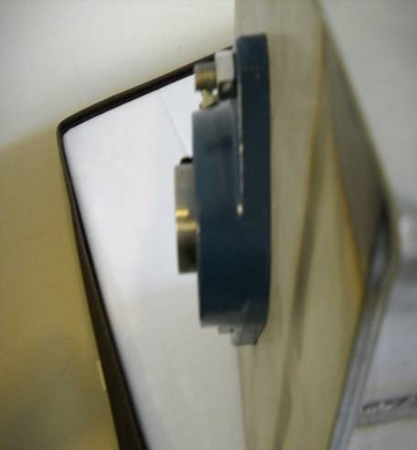 |  | 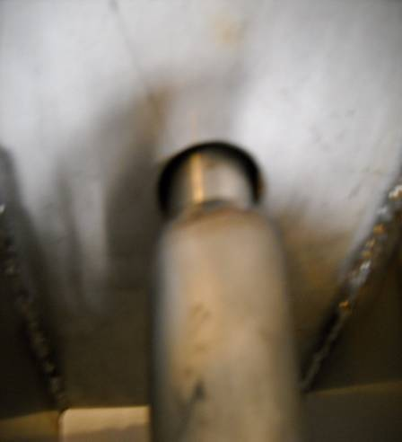

5 |  | 6

7 |  | 8

9 |  | 10
11 |  | 12
13

