1. Nominal Cost
Instructions:
- White cells are for drop-down entry.
- Blue cells are for direct input.
- Grey cells will populate automatically.
- Rows labelled 'Standardized' correspond to the standardized cost values provided by XPRIZE. See the tab "Standardized Cost Matrix" for more details.
- Fill in the 'Project Details' box in full, using the drop down menus (white) and filling in the blue fields.
- For each of the cost sections, complete in a separate line for each piece of your carbon dioxide removal system.
- For example, if your system has 3 major subsystems, break out the energy requirements for each subsystem on three separate lines.
- Clicking the (+) sign in the leftmost column will expose more lines, should you require them.
- DO NOT CUT/PASTE IN THE BLUE CELLS - DOING SO MAY DAMAGE THE FORMULAS IN THIS SHEET
1. Capital Costs includes the 'bare erected cost' of equipment and facilities; engineering, procurement, construction (EPC) costs; and the cost of acquiring land. Captial costs for equipment related to electricity generation and well-sourced water is included in the standardized operational cost values, so capital costs related to well water and electricity generation need not be included. All non-technical "Owners costs", including cost of capital, taxes, depreciation, insurance, etc. are addressed in the Capital Recovery Factor, applied to Fixed Operating Costs.
2. Fixed Operational Costs are costs that are not dependent on the rate of CO2 removal.
3. Variable Operational Costs are costs that are a function of CO2 removal. These typically include all direct labor, fuel, energy, transportation, and feedstock costs. All values should be annualized, assuming a 100% Capacity factor. Wherever possible make note of the relationship between the rate of CO2 removal and each variable operational cost element.
4. End of Project Costs include all decommissioning & disposal costs, rehabilitation of all land and other ecosystems impacted by the system, and any ongoing monitoring & verification obligations required to ensure 100-year durability of the sequestered CO2.
5. Revenues may include any valuable, quantifiable product or service produced by the carbon dioxide removal project. Grants, subsidies, and the sale of CO2 offsets may not be included.
 | Phase 1, Milestone Round
 | Fully Considered Cost Worksheet (v1.3)

Project Details | Item | Input
 | Team Name
 | Project Location (Country)
 | Project Region
 | CDR Category (Primary)
 | CDR Category (Secondary)
 | Project Lifetime (minimum 5 years)
 | Gross Tonnes of CO2 Removed (per year)
 | Tonnes Emitted (CO2e, per year)
 | Expected Re-Emission of CO2 over 100 years (%)
 | Capacity Factor (%)
 | Net Tonnes Removed (per year) | 0
 | Cost ($/tonneCO2)
 | Revenue ($/tonneCO2)
 | Net Cost ($/tonneCO2)

 | 1. Capital Costs
 | Choose a "Cost type" using the dropdown menus in this column. Note the different areas for "Standardized" vs "Team Defined" cost types. | Add descriptions in this column, indicating what aspect of the process this line references. | The grey boxes will automatically populate based on the Cost Type selection. Blue boxes must be filled in manually. |  | Fill in the amount used (either per project, or per year, as specified) |  | Make a note indicating the source for the cost rate used for each line, and the methodology used to provide the estimate (See sections 5.5 and 5.6 of the XPRIZE Carbon Removal Rules - Phase 1.
 | Cost Type | Description | Cost Rate ($/unit) | Unit | Amount used (units per project) | Total ($) | Reference
Standardized

Team Defined |  |  |  |  |  | $-
 |  |  |  |  |  | $-
 |  |  |  |  |  | $-
 |  |  |  |  |  | $-
 |  |  |  |  |  | $-
 |  |  |  |  |  | $-
 |  |  |  |  |  | $-
 |  |  |  |  | Total Up-Front Capital Costs ($/project) | $- | Capex will be charged to the project via the "Capital Recovery Factor", a fixed Opex value.

 | 2. Fixed Operational Costs
 | Cost Type | Description | Cost Rate ($/unit) | unit | Amount used (units per year) | Total ($) | Reference
 | Capital Recovery Factor | Annual charge which covers the capital costs and all estimated non-operational costs. | 20% | year | 1 | $-
Standardized

Team Defined |  |  |  |  |  | $-
 |  |  |  |  |  | $-
 |  |  |  |  |  | $-
 |  |  |  |  |  | $-
 |  |  |  |  |  | $-
 |  |  |  |  |  | $-
 |  |  |  |  |  | $-
 |  |  |  |  | Total Fixed Operational Costs ($/year) | $-

 | 3. Variable Operational Costs
 | Cost Type | Description | Cost Rate ($/unit) | Unit | Amount used (units per year) | Total ($) | Reference
Standardized

Team Defined |  |  |  |  |  | $-
 |  |  |  |  |  | $-
 |  |  |  |  |  | $-
 |  |  |  |  |  | $-
 |  |  |  |  |  | $-
 |  |  |  |  |  | $-
 |  |  |  |  |  | $-
 |  |  |  |  |  | $-
 |  |  |  |  |  | $-
 |  |  |  |  |  | $-
 |  |  |  |  | Total Variable Operational Costs ($/year) | $-

 | 4. End of Project Costs
 | Cost Type | Description | Cost Rate ($/unit) | Unit | Amount used (units per project) | Total ($) | Reference
Team Defined |  |  |  |  |  | $-
 |  |  |  |  |  | $-
 |  |  |  |  |  | $-
 |  |  |  |  |  | $-
 |  |  |  |  |  | $-
 |  |  |  |  |  | $-
 |  |  |  |  |  | $-
 |  |  |  |  | Total End of project Cleanup Costs ($/project) | $-

 | 5. Revenues
 | Cost Type | Description | Cost Rate ($/unit) | Unit | Amount Produced (units per year) | Total ($) | Reference
Team Defined |  |  |  |  |  | $-
 |  |  |  |  |  | $-
 |  |  |  |  |  | $-
 |  |  |  |  |  | $-
 |  |  |  |  |  | $-
 |  |  |  |  |  | $-
 |  |  |  |  |  | $-
 |  |  |  |  | Total Revenues ($/year) | $-

2. Cost Over Time
Phase 1, Milestone Round
Cost Over Time
Give the judges an idea of how your solution will change or evolve over time by filling in the following table. Note the following:
- the sum of the "Capital Costs" column should equal the "Total Up-Front Capital Costs" figure in the Nominal Cost sheet.
- the average of "Total Operational Costs" column should equal the sum of the Operational costs totals in the Nominal Cost sheet.
- if you wish to include more than 25 years, you may expand the sheet by clicking the (+) button to the left of row 31.
Create a chart (or charts) showing how each of the factors below is expected to change over time.
 |  |  |  |  |  |  |  | Error Check:
Year | Net Tonnes CO2 Removed (tonneCO2/year) | Land Acquired or Consumed (Ha) | Capital Costs ($/year) | Total Operational Costs (Fixed + Variable) ($/year) | End of Project Costs ($/year) | Revenues ($/year) | Note | Sum of Capital Costs (This Sheet) | Total Up-Front Capital Costs (Nominal Cost Sheet) | Average Total Operational Costs (This sheet) | Sum of Operational cost totals (Nominal Cost Sheet)
1 |  |  |  | $- |  |  |  | $- | $- | $- | $-
2 |  |  |  |  |  |  |  | no error |  | no error
3
4
5
6
7
8
9
10
11
12
13
14
15
16
17
18
19
20
21
22
23
24
25

3. Sensitivity Analysis
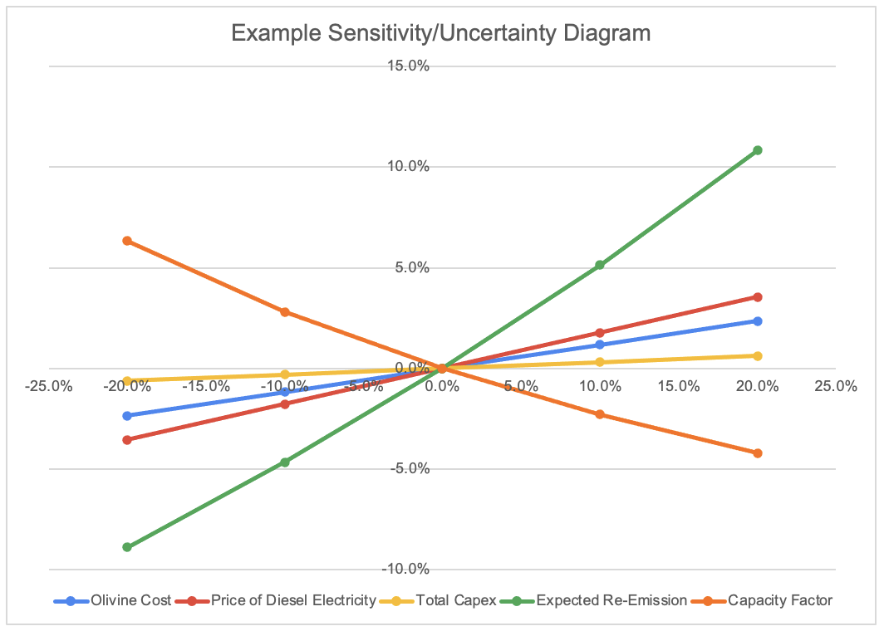
Phase 1, Milestone Round
Sensitivity Worksheet
Create a spider diagram, like the example shown to the right, demonstrating the sensitivity of your solution cost against 5 key variables.
List the chosen variables below, along with the nominal value used in the Cost caluclator worksheet.
Below the grey line on this sheet, you will find a worksheet designed to help create a sensitivity diagram. You may opt to use this worksheet, or you may create your spider diagram another way.
Once created, replace the example diagram to the right with the diagram representing your system.

Variable | Nominal Value

CAUTION: Do not edit or modify any grey or pink cells.

Project Lifetime (years) | 0
Gross Tonnes of CO2 Removed (per year) | 0
Tonnes Emitted (CO2e, per year) | 0
Expected Re-Emission of CO2 over 100 years (%) | 0%
Capacity Factor (%) | 0%
Net Tonnes Removed (per year) | 0
Cost ($/tonneCO2)
Instructions:
This sheet is designed to create a Sensitivity Diagram (ie Spider Diagram) using the values input on the "Nominal Cost" tab, and using Microsoft Excel "Data Table" functions.
Please follow the following instructions very carefully.
1. The sections 1-4 on the left hand side of the sheet pulls values from the tab "Nominal Cost". Complete that tab first.
2. The pink cells indicate variables (ie Cost types) which you may opt to perform a sensitivity test. Choose variables that you believe are the most uncertain or will have the greatest impact (positive or negative) on your solution's cost. List those variables, and type in their nominal value, in the blue grid at the top of this sheet.
3. A variable name, nominal value, and +/- 20% of nominal values should populate in each of the grey boxes to the right.
4. In each grey box to the right, highlight the cells bounded in Red.
Select Data->What-If Analysis->Data Table.
5. You will be promted for additional inputs. Under "Column Input Cell", select the pink cell to the left that holds the value you wish to test. Leave the box "Row Input Cell" blank.
For example, if the variable you wish to test is "Capacity Factor", enter C28 into the input box.
6. The right column of the cells bordered in red should populate, showing the effect of the variable on the cost calculation. The results will automatically create a line on the "Sensitivity/Uncertainty Diagram" below.
7. Repeat steps 3-6 for each of the 5 variables selected.
8. Move the completed "Sensitivity/Uncertainty Diagram" to the top of this sheet for easy reference.
1. Capital Costs |  |  |  |  |  | 6. Sensitivity Analysis
Cost Type | Description | Cost Rate ($/unit) | Unit | Amount used (units per project) | Total ($) |  | Variable 1 | Cost | % Change Input | % Change Cost
 |  |  |  |  |  | Name | 0
 |  |  |  |  |  |  | Value:
 |  |  |  |  |  | Extreme Low | 0 |  | #DIV/0! | #VALUE!
 |  |  |  |  |  | Low | 0 |  | #DIV/0! | #VALUE!
 |  |  |  |  |  | Nominal Value | 0 |  | #DIV/0! | #VALUE!
 |  |  |  |  |  | High | 0 |  | #DIV/0! | #VALUE!
 |  |  |  |  |  | Extreme High | 0 |  | #DIV/0! | #VALUE!

 |  |  |  |  |  |  | Variable 2 | Cost | % Change Input | % Change Cost
 |  |  |  |  |  | Name | 0
 |  |  |  |  |  |  | Value:
 |  |  |  |  |  | Extreme Low | 0 |  | #DIV/0! | #DIV/0!
 |  |  |  |  |  | Low | 0 |  | #DIV/0! | #DIV/0!
 |  |  |  |  |  | Nominal Value | 0 |  | #DIV/0! | #DIV/0!
 |  |  |  |  |  | High | 0 |  | #DIV/0! | #DIV/0!
 |  |  |  |  |  | Extreme High | 0 |  | #DIV/0! | #DIV/0!

 |  |  |  |  |  |  | Variable 3 | Cost | % Change Input | % Change Cost
 |  |  |  |  |  | Name | 0
 |  |  |  |  |  |  | Value:
 |  |  |  |  |  | Extreme Low | 0 |  | #DIV/0! | #DIV/0!
 |  |  |  |  |  | Low | 0 |  | #DIV/0! | #DIV/0!
 |  |  |  |  |  | Nominal Value | 0 |  | #DIV/0! | #DIV/0!
 |  |  |  |  |  | High | 0 |  | #DIV/0! | #DIV/0!
 |  |  |  |  |  | Extreme High | 0 |  | #DIV/0! | #DIV/0!

 |  |  |  |  |  |  | Variable 4 | Cost | % Change Input | % Change Cost
 |  |  |  |  |  | Name | 0
 |  |  |  |  |  |  | Value:
 |  |  |  |  |  | Extreme Low | 0 |  | #DIV/0! | #DIV/0!
 |  |  |  | Total Up-Front Capital Costs ($/project) | $- | Low | 0 |  | #DIV/0! | #DIV/0!
 |  |  |  |  |  | Nominal Value | 0 |  | #DIV/0! | #DIV/0!
2. Fixed Operational Costs |  |  |  |  |  | High | 0 |  | #DIV/0! | #DIV/0!
Cost Type | Description | Cost Rate ($/unit) | unit | Amount used (units per year) | Total ($) | Extreme High | 0 |  | #DIV/0! | #DIV/0!
Capital Recovery Factor | Annual charge which covers the capital costs and all estimated non-operational costs. | 0.2 | year | 1 | $-
 |  |  |  |  |  |  | Variable 5 | Cost | % Change Input | % Change Cost
 |  |  |  |  |  | Name | 0
 |  |  |  |  |  |  | Value:
 |  |  |  |  |  | Extreme Low | 0 |  | #DIV/0! | #DIV/0!
 |  |  |  |  |  | Low | 0 |  | #DIV/0! | #DIV/0!
 |  |  |  |  |  | Nominal Value | 0 |  | #DIV/0! | #DIV/0!
 |  |  |  |  |  | High | 0 |  | #DIV/0! | #DIV/0!
 |  |  |  |  |  | Extreme High | 0 |  | #DIV/0! | #DIV/0!

Sensitivity/Uncertainty Diagram

 |  |  |  | Total Fixed Operational Costs ($/year) | $-

3. Variable Operational Costs
Cost Type | Description | Cost Rate ($/unit) | Unit | Amount used (units per year) | Total ($)

 |  |  |  | Total Variable Operational Costs ($/year) | $-

4. End of Project Costs
Cost Type | Description | Cost Rate ($/unit) | Unit | Amount used (units per project) | Total ($)

 |  |  |  | Total End of project Cleanup Costs ($/project) | $-

