Sample Survey
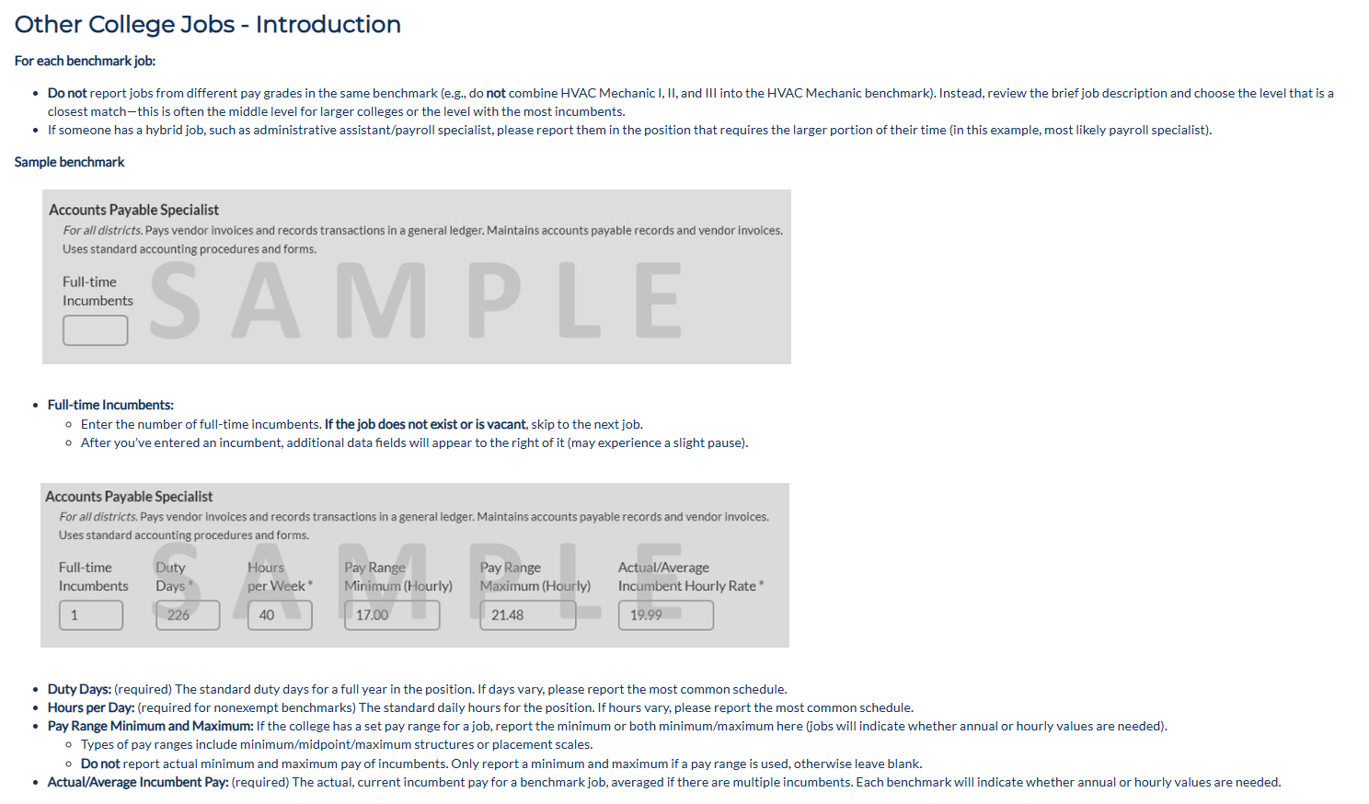
Return to File Instructions

