Survey Example
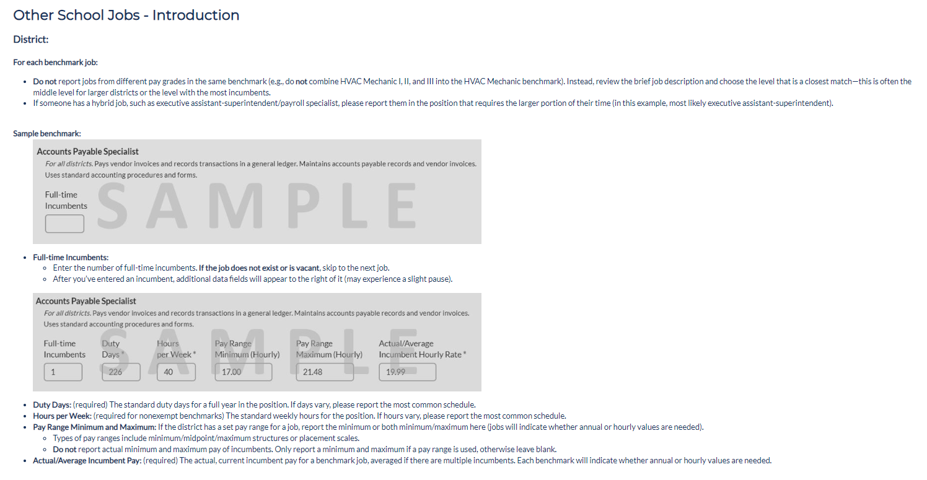
Return to File Instructions

